Contents
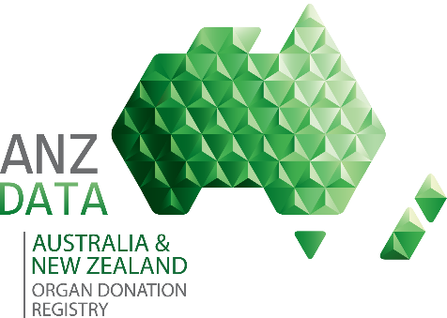

 |  | ANZOD Annual Report 2018
 |  | Supplement 2 - New Zealand Data | Published: | 2018-12-19

 |  | Data reported to 31 December 2017

CONTENTS
 | Tab Name | Description of data
 | TabA2_1 | Table A2.1 Number of Actual Donors by Donor Hospital, New Zealand 1993 - 2017
 | TabA2_2 | Table A2.2 Number of Actual Donors by Gender and Age Groups, New Zealand 2003 - 2017
 | TabA2_3 | Table A2.3 Causes of Donor Death by Gender and Age Groups, New Zealand 1993 - 2017
 | TabA2_4 | Table A2.4 Causes of Donor Death by Historical Category, New Zealand 1993 - 2017
 | TabA2_5 | Table A2.5 Causes of Donor Death by Category, New Zealand 1993 - 2017
 | TabA2_6 | Table A2.6 Causes of Donor Death by Gender and Historical Category, New Zealand 1993 - 2017
 | TabA2_7 | Table A2.7 Causes of Donor Death by Gender and Category, New Zealand 1993 - 2017
 | TabA2_8 | Table A2.8 Organs Requested, New Zealand 2003 - 2017
 | TabA2_9 | Table A2.9 Reasons Organs not Requested, New Zealand 1993 - 2017 and 2017 only
 | TabA2_10 | Table A2.10 Solid Organs Retrieved, New Zealand 1993 - 2017 and 2017 only
 | TabA2_11 | Table A2.11 Organs Retrieved in New Zealand by Retrieval State Team 2003 - 2017
 | TabA2_12 | Table A2.12 Reasons for Organs Not Retrieved, New Zealand 1993 - 2017 and 2017 only
 | TabA2_13 | Table A2.13 Organs Transplanted by Donor Age, Retrieved in New Zealand 2003 - 2017
 | TabA2_14 | Table A2.14 Outcome of Organs Retrieved in New Zealand 1993 - 2017
 | TabA2_15 | Table A2.15 Transplanted Solid Organs from Donor Jurisdiction to Destination Jurisdiction 1993 - 2017 and 2017 only
 | TabA2_16 | Table A2.16 Transplanted Solid Organs in New Zealand, Organs Donated from New Zealand or Australia 1993 - 2017
 | TabA2_17 | Table A2.17 Transplanted Solid Organs from New Zealand Donors, Organs Transplanted in New Zealand or Australia 1993 - 2017

