Contents
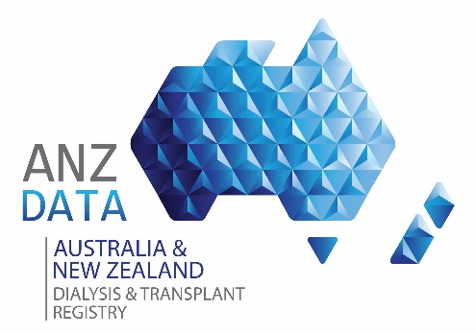 |  |  | ANZDATA 41st ANNUAL REPORT Chapter 3: Mortality in End Stage Kidney Disease

 |  |  |  | Version 1.0 | Published | November 22 , 2018

 |  |  | Data reported here are based on data collected to the 31-Dec-2017

 | WorkSheet | Description
 | tab3_1_rrt_survival | Table 3.1 Survival (95% CI) Among People Who Commenced Renal Replacement Therapy 2008-2017
 | tab3_2_dialysis_survival | Table 3.2 Survival (95% CI) Among Non-Indigenous People Who Commenced Dialysis 2008-2017
 | tab3_3_death_rates | Table 3.3 Death Rates per 100 patient-years during Renal Replacement Therapy - 2017
 | tab3_4_dialysis_median_survival | Table 3.4 Median Survival on Dialysis by Age 2008-2017
 | tab3_5_dialysis_elderly_surv | Table 3.5 Survival on Dialysis by Age and Comorbidity Amongst Older People; Years (Median, 25th and 75th centiles) 2008-2017
 | tab3_6_cause_death_age_freq | Table 3.6 Cause of Death by Modality and Age at Death - Deaths Occurring During 2017
 | tab3_7_withdrawal_freq | Table 3.7 Reason for Withdrawal from Renal Replacement Therapy - 2017
 | tab3_8_withdrawal_rrt_duration | Table 3.8 Time from Renal Replacement Therapy Start to Death, in Patients Who Withdrew and Died in 2017

