Contents
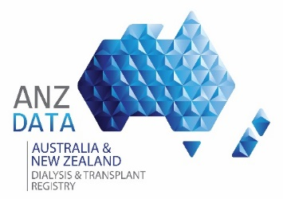
 |  | RENAL REPLACMENT THERAPY MORTALITY

 |  | Data reported here are based on data collected to the 31-Dec-2018

Version 1.0 | Published September 23, 2019

WorkSheet | Description
C1_overall | Cause of death by modality and country
C2_age | Casue of death by age category, modality and country
C3_gender | Cause of death by gender, modality and country
C4_ethinicity | Cause of death by ethnicity, modaility and country
C5_prd | Cause of death by prinary renal disease, modality and country
C6_hospital | Cause of death by treating hospital
C7_diabetes | Cause of death by diabetes comorbid status, modality and country
C8_coronary | Cause of death by coronary aretery disease comorbid status, modality and country
C9_cvd | Cause of death by cerebrovascular disease comorbid status, modality and country
C10_pvd | Cause of death by peripheral vascular disease comorbid status, modality and country
C11_lung | Cause of death by chronic lung disease comorbid status, modality and country
C12_overall | Cause of death by state/jurisdiction
C13_age | Cause of death by age category, modality and state/jurisdiction
C14_gender | Cause of death by gender, modality and state/jurisdiction
C15_ethnicity | Cause of death by ethnicity modality and state/jurisdiction
C16_prd | Cause of death by primary renal disease, modality and state/jurisdiction
C17_diabetes | Cause of death by diabetes comobidity status, modality and state/jurisdiction
C18_coronary | Cause of death by coronary artery disease comobidity status, modality and state/jurisdiction
C19_cvd | Cause of death by cerebrovascular disease comobidity status, modality and state/jurisdiction
C20_pvd | Cause of death by peripheral vascular disease comobidity status, modality and state/jurisdiction
C21_lung | Cause of death by chronic lung disease comobidity status, modality and state/jurisdiction

